IEA-Data
DAC potential

data
Year | 2018 | 2019 | 2020 | 2021 | 2030 | 2040 | 2050
Potential (MtCO2) | 0.0036 | 0.0037 | 0.0038 | 0.0077 | 85 | 620 | 980

trend
Year | 2018 | 2019 | 2020 | 2021 | 2022 | 2023 | 2024 | 2025 | 2026 | 2027 | 2028 | 2029 | 2030 | 2031 | 2032 | 2033 | 2034 | 2035 | 2036 | 2037 | 2038 | 2039 | 2040 | 2041 | 2042 | 2043 | 2044 | 2045 | 2046 | 2047 | 2048 | 2049 | 2050
Potential (MtCO2) | 0.0036 | 0.0037 | 0.0038 | 0.0077 | 20.06799485 | 27.728581974 | 35.389169099 | 43.049756223 | 50.710343348 | 58.370930472 | 66.031517597 | 73.692104721 | 85 | 138.5 | 192 | 245.5 | 299 | 352.5 | 406 | 459.5 | 513 | 566.5 | 620 | 656 | 692 | 728 | 764 | 800 | 836 | 872 | 908 | 944 | 980

From 'DAC global operating capacity, 2010-2021
From 'Global CO2 capture from DACS and DAC with use in the Net Zero Scenario

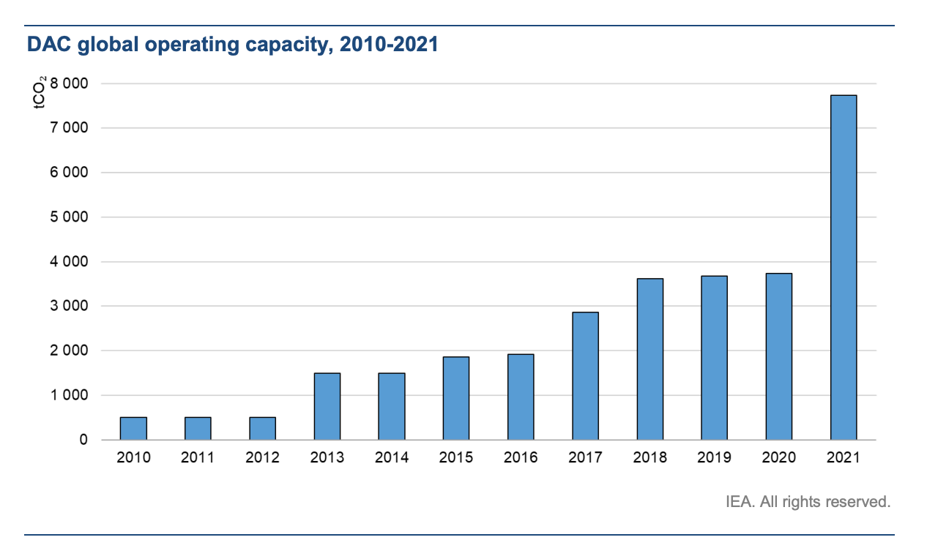
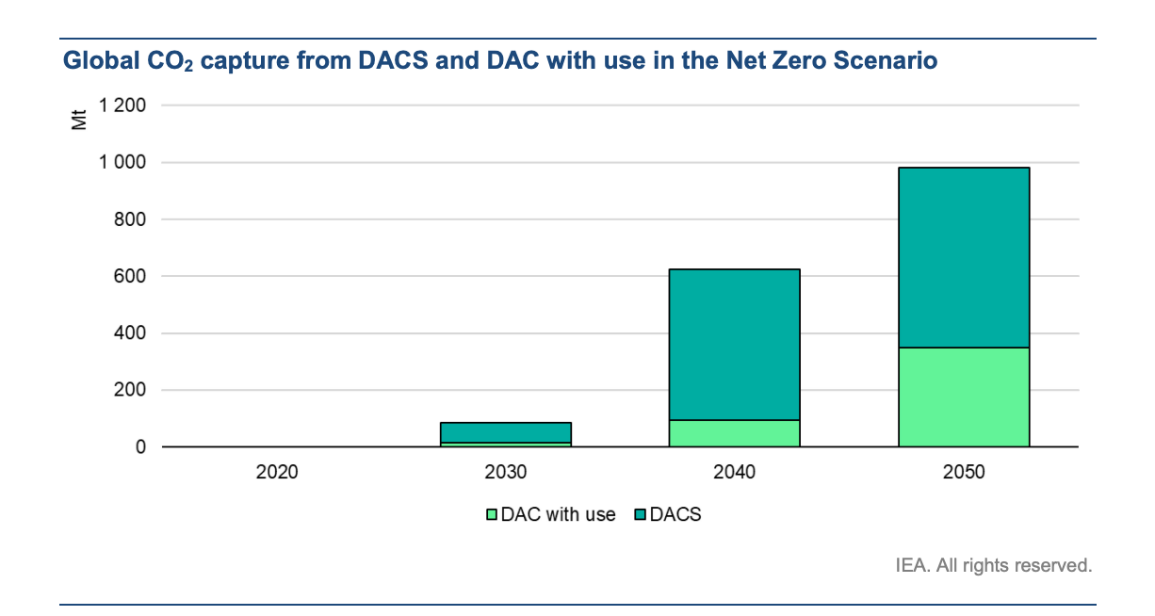

0

DAC energy intensity

data
Year | 2020 | 2030 | 2040 | 2050
Heat (EJ) | 0 | 0.4 | 3.33 | 5.1
Electricity (EJ) | 0 | 0.1 | 0.33 | 0.75

trend
Year | 2018 | 2019 | 2020 | 2021 | 2022 | 2023 | 2024 | 2025 | 2026 | 2027 | 2028 | 2029 | 2030 | 2031 | 2032 | 2033 | 2034 | 2035 | 2036 | 2037 | 2038 | 2039 | 2040 | 2041 | 2042 | 2043 | 2044 | 2045 | 2046 | 2047 | 2048 | 2049 | 2050
Heat (EJ) | 0 | 0 | 0 | 0.04 | 0.08 | 0.12 | 0.16 | 0.2 | 0.24 | 0.28 | 0.32 | 0.36 | 0.4 | 0.693 | 0.986 | 1.279 | 1.572 | 1.865 | 2.158 | 2.451 | 2.744 | 3.037 | 3.33 | 3.507 | 3.684 | 3.861 | 4.038 | 4.215 | 4.392 | 4.569 | 4.746 | 4.923 | 5.1
Electricity (EJ) | 0 | 0 | 0 | 0.01 | 0.02 | 0.03 | 0.04 | 0.05 | 0.06 | 0.07 | 0.08 | 0.09 | 0.1 | 0.123 | 0.146 | 0.169 | 0.192 | 0.215 | 0.238 | 0.261 | 0.284 | 0.307 | 0.33 | 0.372 | 0.414 | 0.456 | 0.498 | 0.54 | 0.582 | 0.624 | 0.666 | 0.708 | 0.75

From 'Global energy consumption (left) and CO2 capture (right) from DAC in the Net Zero Scenario'
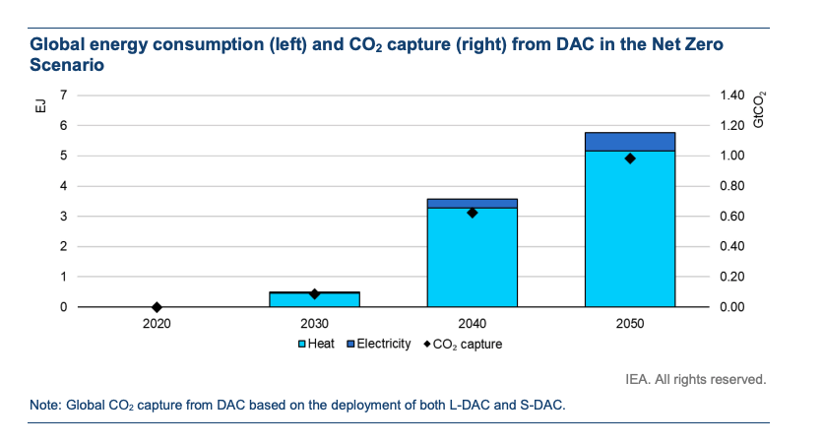

DAC cost

data
Year | 2020 | 2030 | 2050
Cost (USD/tCO2) | 220 | 80 | 70

trend
Year | 2018 | 2019 | 2020 | 2021 | 2022 | 2023 | 2024 | 2025 | 2026 | 2027 | 2028 | 2029 | 2030 | 2031 | 2032 | 2033 | 2034 | 2035 | 2036 | 2037 | 2038 | 2039 | 2040 | 2041 | 2042 | 2043 | 2044 | 2045 | 2046 | 2047 | 2048 | 2049 | 2050
Cost (USD/tCO2) | 248 | 234 | 220 | 206 | 192 | 178 | 164 | 150 | 136 | 122 | 108 | 94 | 80 | 79.5 | 79 | 78.5 | 78 | 77.5 | 77 | 76.5 | 76 | 75.5 | 75 | 74.5 | 74 | 73.5 | 73 | 72.5 | 72 | 71.5 | 71 | 70.5 | 70

From 'CO2 capture cost at varying CO2 concentrations, 2020'
From 'Levelised cost of capturing carbon by DACS technology for selected regions, 2030 and 2050' (L-DACS US Scenario)

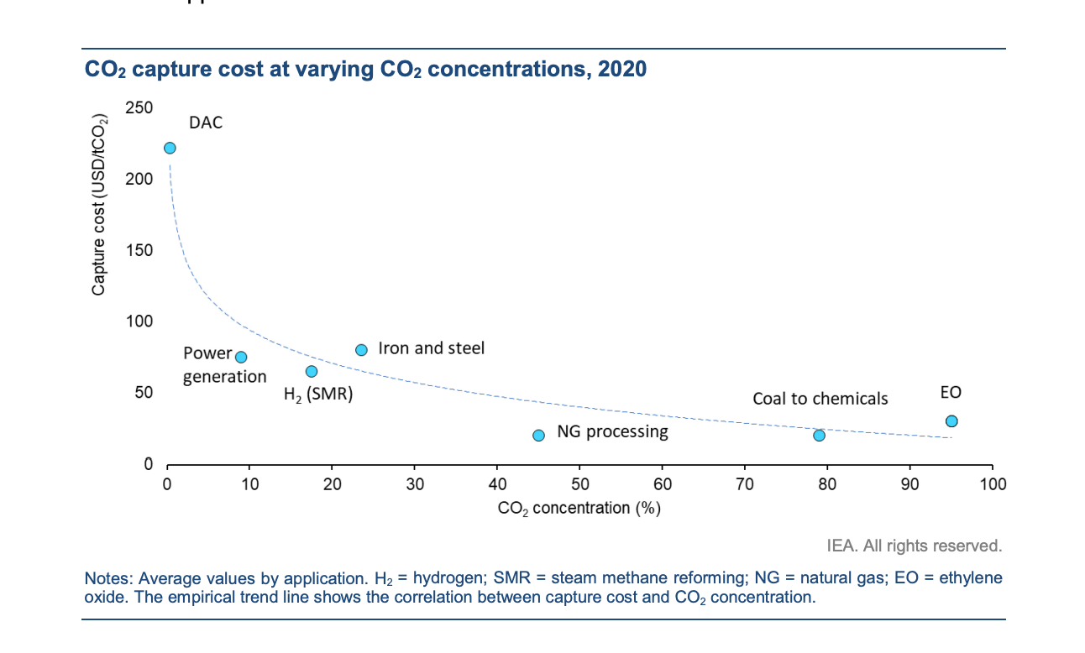
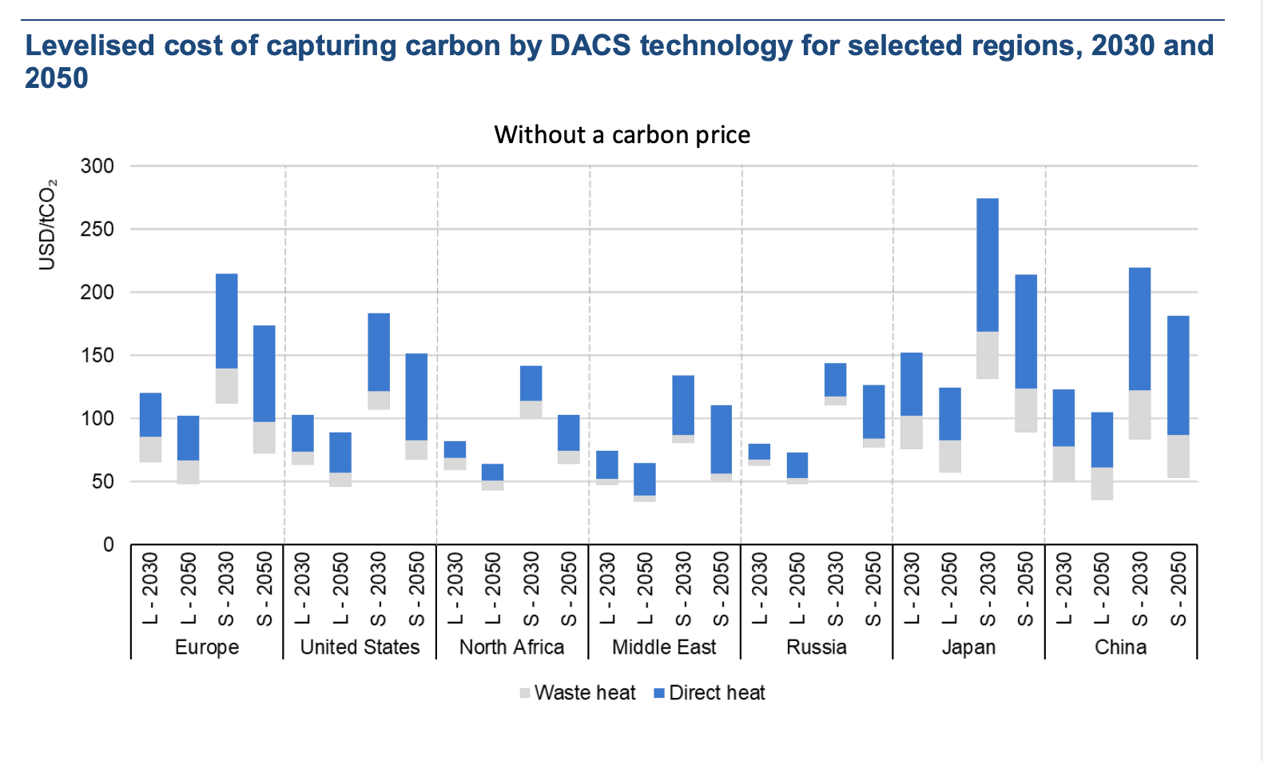

Economic data | source: World Bank | link

 | GDP (millions 2020 USD)
Canada | 1,645,423.41
US | 20,953,030.00
World | 84,746,978.78

2020 USD to 2012 USD | 0.887110671 | from cpi file
EJ to BTU | 9.48E+14
tonne per Gt | 1000000000
tonne per Mt | 1000000

EPS 3.3.1 Data
DAC Technologies Considered
DAC1 = hydroxide sorbent-based technology, most mature technology, used for large-scale plants, requires high heat (>800C)
DAC2 = amine-based technology, less mature, can be small modular units, can accept waste heat (temp 85-120C)

According to the source paper, DAC1 heat is provided by natural gas, and DAC2 heat is provided by waste heat.

Capital Cost per Ton CO2 Captured (amortized over lifetime of equipment)
The paper indicates these costs include equipment, maintenance, and labor. Energy costs are not included.
$/ton CO2 | DAC1 | DAC2
High | 300 | 350
Low | 180 | 200
Floor | 100 | 50

Electricity Required per Ton CO2 Captured
GJ/ton CO2 | DAC1 | DAC2
High | 1.8 | 1.1
Low | 1.3 | 0.6
Floor

Heat Input Required per Ton CO2 Captured
GJ/ton CO2 | DAC1 | DAC2
High | 8.1 | 7.2
Low | 5.3 | 4.4
Floor

Technology Shares (Supplement Fig 3)
Very little DAC of any sort is deployed before 2045-2050. DAC1 is dominant
until after 2080. Therefore, for the EPS, which extends only to 2050, we
assume the only relevant DAC technology is DAC1.

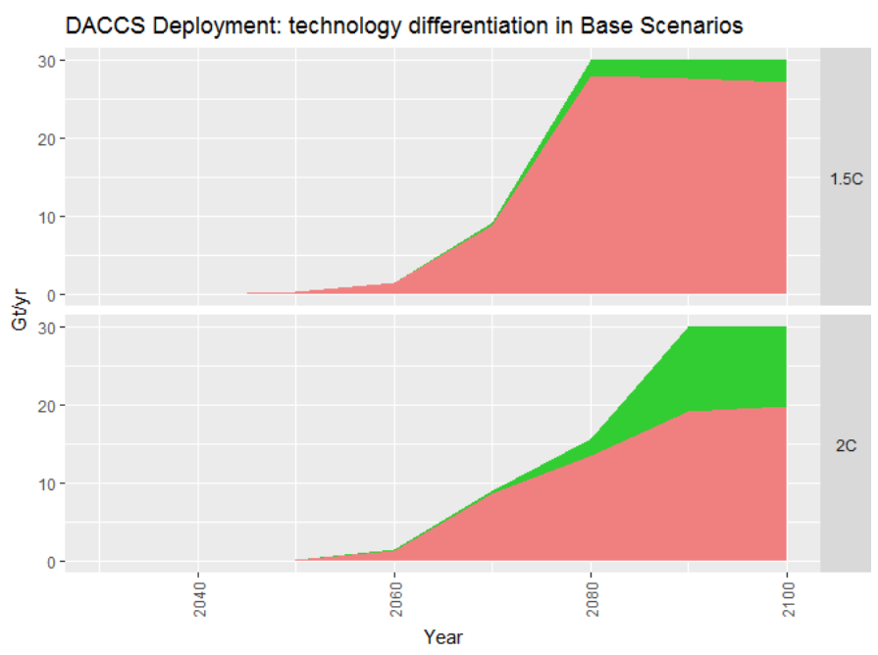

Global DAC Potential
We will use the 1.5-degree C pathway as our outer potential bound (100% lever setting),
since it is the more aggressive of the two scenarios.
We will measure deployment in specific years to the pixel, since the data are not
provided in tabular form:

 | 2045 | 2050 | 2060 | 2070 | 2080 | 2090 | 2100
DAC1 (pixels, high zoom) | 0 | 5 | 20 | 122 | 388 | 384 | 379
DAC2 (pixels, high zoom) | 0 | 0 | 0 | 5 | 30 | 35 | 40

Scale (pixels/(30 Gt/yr)) | 420

 | 2045 | 2050 | 2060 | 2070 | 2080 | 2090 | 2100
DAC1 (Gt/yr) | 0 | 0.4 | 1.4 | 8.7 | 27.7 | 27.4 | 27.1
DAC2 (Gt/yr) | 0 | 0 | 0 | 0.4 | 2.1 | 2.5 | 2.9

Assigning Country-Specific Share
The totals above are global. We assign DAC expenditures proportionally to current GDP, which
reflects both a country's ability to pay and, to a rough degree, its responsibility for historical emissions
to date.

U.S. GDP | 19.39 | trillion USD | 2017
World GDP | 80 | trillion UDS | 2017
US GDP share | 24.2%

U.S. DAC potential
 | 2045 | 2050 | 2060 | 2070 | 2080 | 2090 | 2100
DAC1 (Gt/yr) | 0 | 0.1 | 0.3 | 2.1 | 6.7 | 6.6 | 6.6
DAC2 (Gt/yr) | 0 | 0 | 0 | 0.1 | 0.5 | 0.6 | 0.7

Converting to metric tons:
 | 2045 | 2050 | 2060 | 2070 | 2080 | 2090 | 2100
DAC1 (t/yr) | 0 | 8.66E+07 | 3.46E+08 | 2.11E+09 | 6.72E+09 | 6.65E+09 | 6.56E+09
DAC2 (t/yr) | 0 | 0 | 0 | 8.66E+07 | 5.19E+08 | 6.06E+08 | 6.92E+08

Electricity and Heat Intensity, Costs
Due to the fact that the EPS model run ends at 2050, and deployment of DAC1 may only begin in 2046 (and DAC2 can't
begin during the model run at all), we assume there will not be sufficient time to progress from the high toward the
low intensity or cost values. Therefore, we take the high values as constant over the period 2046-2050, when deployment
is just barely beginning.

BTU/GJ | 947086

In this variable, we use BTU for all energy sources, including electricity. This is a strict unit conversion, not a heat rate.

